Sheet1
Cost of an Acquistion |  |  |  |  | General Journal |  |  |  |  | Page 69
Purchase Price | $18,000.00 |  |  |  |  | Date | Description | Post Ref | Debit | Credit
Sales tax | $1,400.00 |  |  |  | 1 | April
Transportation costs | $680.00 |  |  |  | 2 | 16 | Equipment |  | $20,880.00
Modification and installation costs | $800.00 |  |  |  | 3 |  | Accounts Payable |  |  | $20,880.00
 | $20,880.00 |  |  |  | 4 |  | to purchase equipment
 |  |  |  |  | 5
 |  |  |  |  | 6 | 30 | Depreciation Exp, Equip. |  | $90.00
❶ Land vs. Land Improvements |  |  |  |  | 7 |  | Accumulated Dep, Equip. |  |  | $90.00
❷ Apportionment (Lump Sum Purchase) |  |  |  |  | 8 |  | to record depreciation
❸ Ordinary Repairs, Additions, Betterments, Extra Ordinary Repairs

Balance Sheet Presentation:
 | Property Plant and Equipment
 | Equipment |  | $20,880.00
 | Less Accumulated Depreciation, Equip. |  | $90.00
 | Book Value |  |  | $20,790.00

Depreciation Methods: |  | Formula:
1. Straight Line |  |  | (Cost - Salvage) | <-- Depreciable Base
2. Double Declining Balance |  |  | Useful Life
3. Sum of the Years Digits
4. Units of Output
5. ACRS/MACRS

Data: |  |  |  |  |  | Disposition of Assets: |  |  |  | Equipment
Cost | $125,000.00 |  |  |  |  |  | Disposal (Discard) |  |  | $100,000.00
Salvage | $25,000.00 |  |  |  |  |  | Loss on Sale
Useful Life | 10 years |  |  |  |  |  | Gain on Sale
Production Useful Life | 100,000 miles |  |  |  |  |  | Trade In: |  |  | Accumulated Dep, Equip.
Purchase Date | 7/1/201X |  |  |  |  |  | 1. Record Deprectiaon up to the date of trade in |  |  |  | $80,000.00
 |  |  |  |  |  |  | 2. Record the trade in of the old and purchase of the new
MACRS | 5 year Class Property |  | 7 year Class property
1980, TRA 1986 | 1 | 20.00% | 14.29% |  |  |  | A. Financial Reporting: Losses on trade ins are recognized, gains are not
 | 2 | 32.00% | 24.49% |  |  |  | B. Tax reporting, neither gains nor losses on trade ins are recognized
 | 3 | 19.20% | 17.49% |  |  | UCSC Textbook: Commerical Substance means future cash flows will differ due to new machine, G/L Recognized
 | 4 | 11.52% | 12.49% |  |  | If no Commerical Substance, G/L are absorbed into the new value of the asset
 | 5 | 11.52% | 8.93%
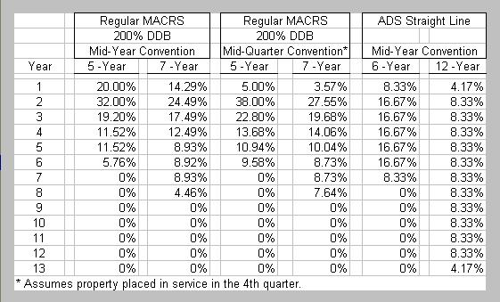
 | 6 | 5.76% | 8.92%
 | 7 |  | 8.93%
 | 8 |  | 4.46%

DEPLETION

Formula: |  |  |  |  | General Journal |  |  |  |  | Page 72
 | Cost | = Depletion per Unit |  |  |  | Date | Description | Post Ref | Debit | Credit
 | Estimated units of the Resource |  |  |  | 1 | July
 |  |  |  |  | 2 | 4 | Depletion Expense |  | $4,800.00
 |  |  |  |  | 3 |  | Accumulated Depletion |  |  | $4,800.00

INTANGIBLE ASSETS |  |  |  |  | General Journal |  |  |  |  | Page 83
Amortization, not Depreciation |  | Useful Life |  |  |  | Date | Description | Post Ref | Debit | Credit
 | Patents | 17 years |  |  | 1 | Dec
 | Copyright | Life + 70 years |  |  | 2 | 31 | Amortization Patent Expense |  | $20,000.00
 | Franchises |  |  |  | 3 |  | Patent |  |  | $20,000.00
 | Trademarks
 | Trade Names
 | Brand Names

Asset Turnover
 | Net Sales |  | $4,358,100.00 |  |  | = 1.18 | generates $1.18 for every dollar of assets
 | Average Total Assets |  | ($3,761,548.00-$3,615,789)/2

